NEMA Enclosures Type
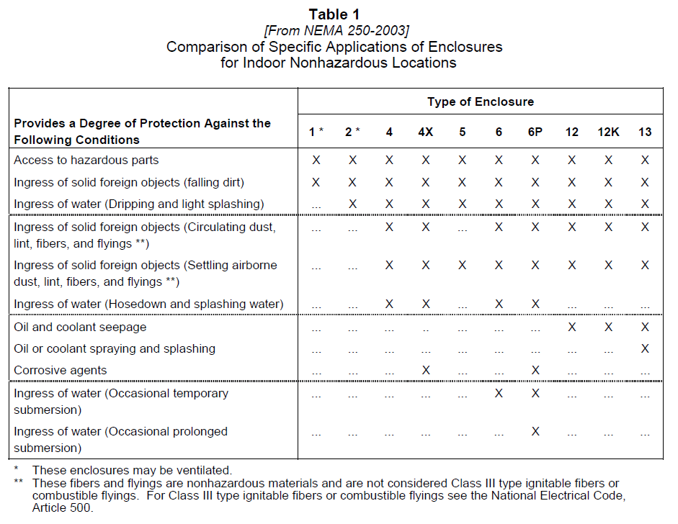
Non-Hazardous Location | In Non-Hazardous Locations, the specific enclosure Types, their applications, and the environmental conditions they are designed to protect against, when completely and properly installed, are as follows:
Type 1 | Type 1 Enclosures constructed for indoor use to provide a degree of protection to personnel against access to hazardous parts and to provide a degree of protection of the equipment inside the enclosure against ingress of solid foreign objects (falling dirt).
Type 2 | Type 2 Enclosures constructed for indoor use to provide a degree of protection to personnel against access to hazardous parts; to provide a degree of protection of the equipment inside the enclosure against ingress of solid foreign objects (falling dirt); and to provide a degree of protection with respect to harmful effects on the equipment due to the ingress of water (dripping and light splashing).
Type 3 | Type 3 Enclosures constructed for either indoor or outdoor use to provide a degree of protection to personnel against access to hazardous parts; to provide a degree of protection of the equipment inside the enclosure against ingress of solid foreign objects (falling dirt and windblown dust); to provide a degree of protection with respect to harmful effects on the equipment due to the ingress of water (rain, sleet, snow); and that will be undamaged by the external formation of ice on the enclosure.
Type 3R | Type 3R Enclosures constructed for either indoor or outdoor use to provide a degree of protection to personnel against access to hazardous parts; to provide a degree of protection of the equipment inside the enclosure against ingress of solid foreign objects (falling dirt); to provide a degree of protection with respect to harmful effects on the equipment due to the ingress of water (rain, sleet, snow); and that will be undamaged by the external formation of ice on the enclosure.
Type 3S | Type 3S Enclosures constructed for either indoor or outdoor use to provide a degree of protection to personnel against access to hazardous parts; to provide a degree of protection of the equipment inside the enclosure against ingress of solid foreign objects (falling dirt and windblown dust); to provide a degree of protection with respect to harmful effects on the equipment due to the ingress of water (rain, sleet, snow); and for which the external mechanism(s) remain operable when ice laden.
Type 3X | Type 3X Enclosures constructed for either indoor or outdoor use to provide a degree of protection to personnel against access to hazardous parts; to provide a degree of protection of the equipment inside the enclosure against ingress of solid foreign objects (falling dirt and windblown dust); to provide a degree of protection with respect to harmful effects on the equipment due to the ingress of water (rain, sleet, snow); that provides an additional level of protection against corrosion and that will be undamaged by the external formation of ice on the enclosure.
Type 3RX | Type 3RX Enclosures constructed for either indoor or outdoor use to provide a degree of protection to personnel against access to hazardous parts; to provide a degree of protection of the equipment inside the enclosure against ingress of solid foreign objects (falling dirt); to provide a degree of protection with respect to harmful effects on the equipment due to the ingress of water (rain, sleet, snow); that will be undamaged by the external formation of ice on the enclosure that provides an additional level of protection against corrosion; and that will be undamaged by the external formation of ice on the enclosure.
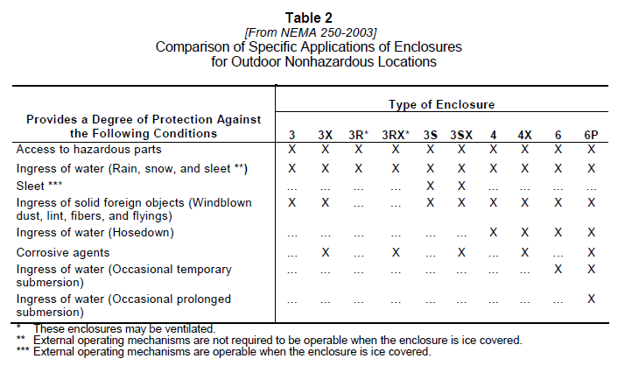
Type 3SX | Type 3SX Enclosures constructed for either indoor or outdoor use to provide a degree of protection to personnel against access to hazardous parts; to provide a degree of protection of the equipment inside the enclosure against ingress of solid foreign objects (falling dirt and windblown dust); to provide a degree of protection with respect to harmful effects on the equipment due to the ingress of water (rain, sleet, snow); that provides an additional level of protection against corrosion; and for which the external mechanism(s) remain operable when ice laden.
Type 4 | Type 4 Enclosures constructed for either indoor or outdoor use to provide a degree of protection to personnel against access to hazardous parts; to provide a degree of protection of the equipment inside the enclosure against ingress of solid foreign objects (falling dirt and windblown dust); to provide a degree of protection with respect to harmful effects on the equipment due to the ingress of water (rain, sleet, snow, splashing water, and hose directed water); and that will be undamaged by the external formation of ice on the enclosure.
Type 4X | Type 4X Enclosures constructed for either indoor or outdoor use to provide a degree of protection to personnel against access to hazardous parts; to provide a degree of protection of the equipment inside the enclosure against ingress of solid foreign objects (windblown dust); to provide a degree of protection with respect to harmful effects on the equipment due to the ingress of water (rain, sleet, snow, splashing water, and hose directed water); that provides an additional level of protection against corrosion; and that will be undamaged by the external formation of ice on the enclosure.
Type 5 | Type 5 Enclosures constructed for indoor use to provide a degree of protection to personnel against access to hazardous parts; to provide a degree of protection of the equipment inside the enclosure against ingress of solid foreign objects (falling dirt and settling airborne dust, lint, fibers, and flying's); and to provide a degree of protection with respect to harmful effects on the equipment due to the ingress of water (dripping and light splashing).
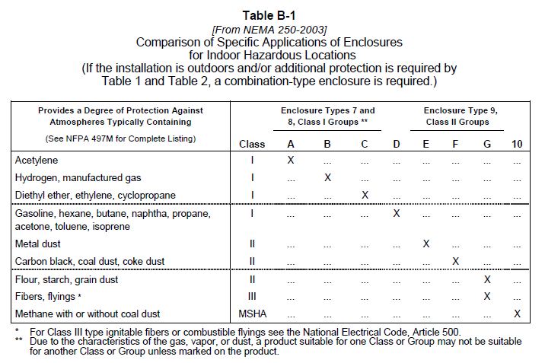
Type 6 | Type 6 Enclosures constructed for either indoor or outdoor use to provide a degree of protection to personnel against access to hazardous parts; to provide a degree of protection of the equipment inside the enclosure against ingress of solid foreign objects (falling dirt); to provide a degree of protection with respect to harmful effects on the equipment due to the ingress of water (hose directed water and the entry of water during occasional temporary submersion at a limited depth); and that will be undamaged by the external formation of ice on the enclosure.
Type 6P | Type 6P Enclosures constructed for either indoor or outdoor use to provide a degree of protection to personnel against access to hazardous parts; to provide a degree of protection of the equipment inside the enclosure against ingress of solid foreign objects (falling dirt); to provide a degree of protection with respect to harmful effects on the equipment due to the ingress of water (hose directed water and the entry of water during prolonged submersion at a limited depth); that provides an additional level of protection against corrosion and that will be undamaged by the external formation of ice on the enclosure.
Type 12 | Type 12 Enclosures constructed (without knockouts) for indoor use to provide a degree of protection to personnel against access to hazardous parts; to provide a degree of protection of the equipment inside the enclosure against ingress of solid foreign objects (falling dirt and circulating dust, lint, fibers, and flying's); and to provide a degree of protection with respect to harmful effects on the equipment due to the ingress of water (dripping and light splashing).
Type 12K | Type 12K Enclosures constructed (with knockouts) for indoor use to provide a degree of protection to personnel against access to hazardous parts; to provide a degree of protection of the equipment inside the enclosure against ingress of solid foreign objects (falling dirt and circulating dust, lint, fibers, and flying's); and to provide a degree of protection with respect to harmful effects on the equipment due to the ingress of water (dripping and light splashing).
Type 13 | Type 13 Enclosures constructed for indoor use to provide a degree of protection to personnel against access to hazardous parts; to provide a degree of protection of the equipment inside the enclosure against ingress of solid foreign objects (falling dirt and circulating dust, lint, fibers, and flying's); to provide a degree of protection with respect to harmful effects on the equipment due to the ingress of water (dripping and light splashing); and to provide a degree of protection against the spraying, splashing, and seepage of oil and non-corrosive coolants.
Hazardous Locations | In Hazardous Locations, when completely and properly installed and maintained, Type 7 and 10 enclosures are designed to contain an internal explosion without causing an external hazard. Type 8 enclosures are designed to prevent combustion through the use of oil-immersed equipment. Type 9 enclosures are designed to prevent the ignition of combustible dust.
Type 7 | Type 7 Enclosures constructed for indoor use in hazardous (classified) locations classified as Class I, Division 1, Groups A, B, C, or D as defined in NFPA 70.
Type 8 | Type 8 Enclosures constructed for either indoor or outdoor use in hazardous (classified) locations classified as Class I, Division 1, Groups A, B, C, and D as defined in NFPA 70.
Type 9 | Type 9 Enclosures constructed for indoor use in hazardous (classified) locations classified as Class II, Division 1, Groups E, F, or G as defined in NFPA 70.
Type 10 | Type 10 Enclosures constructed to meet the requirements of the Mine Safety and Health Administration, 30 CFR, Part 18.
N/A | N/A

 | NOTE: The highlighted NEMA 1, 4, 4X, 7, and 12 are the commonly used NEMA. If you're RFP did not specify which NEMA rating the owner wants at a hazardous/Non-hazardous locations. Use the following standard NEMA that are highlighted.
 | NOTE: Indoor Non-Hazardous location are usually NEMA Type 1 cause it'll cheaper than NEMA Type 4.

